Assumptions
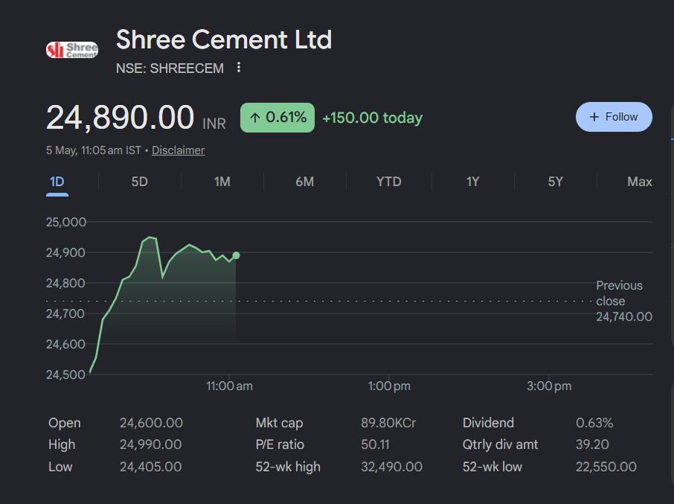
Shree Cement Ltd.
Assumptions

 | Company Description | Shree Cement Ltd.
 | ISIN Code | INE071E01023
 | Sector Name | Basic Materials
 | Industry | Construction Materials
 | Exchange Name | NSE: SHREECEM, BSE: 500387
 | Website | https://www.shreecement.com/
 | Company Description | Shree Cement Limited, incorporated in 1979 and headquartered in Kolkata, is India's third-largest cement manufacturer by capacity. Among India's top four cement companies- Shree Cement is aggressively expanding capacity, targeting 80 MTPA by FY28 from its current 56.4 MTPA, commanding approximately 8-9% of India's total installed cement capacity. Operating under marquee brands- Bangur Cement, Rockstrong, and Shree Ultra, it dominates North and East Indian markets. The company also operates 888.6 MW of captive power, giving it a structural cost advantage over peers.
 | Current Market Price | 24,890.00

 | Scenario
 | Base Case |  | 1

 | Company Data
 | Particulars |  |  | Amount
 | No of Outstanding shares | Unit |  | 36,081,421
 | Face Value per share | Rs. |  | 10
 | Current Market Price | Rs. |  | 24,890.00
 | Market Capitalisation | Rs. in Cr. |  | 89,806.66

 | Assumptions
 | Perpetual Growth rate | % |  | 4.00%
 | 10 year Bond yield rate | % |  | 6.93%
 | Tax Rate | % |  | 24.65%

 | Particular | Assumptions
 | Revenue Buildup | Although the other companies such as JK Cement, Ambuja Cement etc are expecting double digit growth, I have used conservative approach and followed the Management guidance. As per Q3 FY26 Concall, the Management expects the industry demand to be around 7.5-8.0%, Shree Cement expects to grow at least in line with the industry, Hence i have assumed the Revenue growth rate of 7.5% for FY26 as the Anchor to forecast throughout the forecast period, though historically Shree has outpaced it. A +2.5% premium was applied for the Bull Case (10%) to reflect accelerated capacity exansion which is projected in upcoming years, and a -2.5% haircut for the Bear Case (5%) to adjust for demand softness, pricing pressure, or execution delays.
 |  | During Revenue Growth Scenario, Tapering of 7.5% is taken assuming 4% of Growth rate in long run after the forecast period ends in base case Scenario.
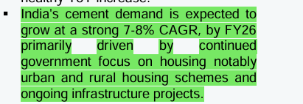
 | Cost Buildup | COGS, Employee Salaries & Benefits, Freight & Forwarding Expenses, and Other SG&A Expenses are each modelled as a percentage of revenue, held constant at their respective historical average ratios derived from FY2021–FY2025 data. These cost heads are operationally linked to revenue and have shown stable trends historically, making the average % of revenue the most reliable forecast anchor.
 |  | D&A is modelled as a % of opening PP&E, assumed +1% step-up in every 3 years starting from FY26 - keeping FY25 as anchor, which is reflecting Shree Cement's aggressive capacity expansion and deepening asset base.
 |  | Interest is computed as a % of opening debt balance, assumed to grow at the historical average rate, This approach reflects a stable borrowing cost assumption absent any guidance on refinancing or new debt issuances.
 |  | Other Income is modelled as a % of revenue, assumed to grow at the historical average, keeping it constant throughout the forecast period.
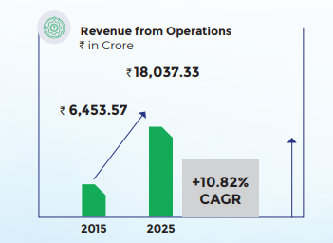
 |  | Taxes are modelled as a % of EBT as FY2025 taken as base, with a +0.5% step-up in every two years, converging gradually toward the statutory rate of 30%.
 | Balance Sheet Items | I have averaged historical Capex over FY2021–FY2025 and assumed it to grow at average growth rate of historical years while stepping up by 0.5% per year through the forecast period. The adjusted Capex is allocated to PP&E in proportion to the asset composition observed in FY2025 (the latest audited year).
 |  | PP&E is forecasted using PP&E Schedule, Opening PP&E for each year is sourced from the closing balance of the prior year. Capex additions and depreciation charges are computed from the Depreciation Schedule in the Working Schedules tab.
 |  | Bank Deposits, Current investments, Other Current Assets, Financial Assets, Other Non-Current Assets, Other Current & Non-Current Liabilities are held constant at their FY2025 audited levels throughout the forecast period As no company disclosures, management guidance, or industry data were available to support a directional assumption.
 |  | Intagibles in Non-current assets and Non controlling Interest are straightlined throughout the forecast period as per FY25
 |  | Dividend payout is also assumed to grow at the average historical growth rate (18.42%), keeping it constant throughout the forecast period.
 |  | Equity Share Capital is held constant at the FY2025 level of ₹36.1 Cr. throughout the forecast period. The company has not announced any plans for a rights issue, ESOP dilution, or buyback, and the face value remains unchanged. |  |  | -Shree cement, 'Q3 FY26 Concall Transcript
 |  | Cash and Cash Equivalents serve as the balancing figure in the Balance Sheet for each forecast year. The closing cash balance is derived from the Cash Flow Statement (Operating + Investing + Financing cash flows), ensuring internal consistency across all three financial statements.
 |  | DSO, DIO, and DPO are computed using a 365-day convention and assumed to grow at their respective historical average growth rates derived from FY2021–FY2025 data. These ratios are then used to back-calculate Trade Receivables, Inventory, and Trade Payables as a function of Revenue and COGS respectively in each forecast year.
 |  | Debt is forecasted using Debt Schedule, Opening debt for each year is sourced from the closing balance of the previous year.
 |  | No information is given regarding issuance or repayment of debt, hense the Issuance and repayment of debt is assumed to be Zero throughout the forecast period.
 |  | I have averaged historical Depreciation over FY2021–FY2025 and assumed it to grow at average growth rate of historical years while stepping up by 1.0% once in every 3 years through the forecast period starting from Latest forecast year i.e. FY26
 | Working Capital | Trade Receivables, Inventory, and Trade Payables are forecasted using the working capital turnover ratios (DSO, DIO, DPO) derived from historical averages. All three are grown at their historical average rates and are directly linked to the Revenue and COGS drivers in the Income Statement, maintaining operational consistency in working capital modeling.
 | Cash flow items | Sale of PP&E, Net of Investments (including MFs, Precious metals, Loan to subsidiaries etc.), and Bank Deposits and Balances are assumed to be zero throughout the forecast period. No investment disposal activity has been disclosed by the company or is expected based on available information.
 |  | Repayment of Lease Liabilities is assumed to be zero throughout the forecast period as no relevant guideline is given by the management.
 |  | Interest and Financial Charges Paid is linked with the P&L Interest income throughout the forecast period.
 |  | Divident payment is assumed to be made only in case of Net profit, I have assumed if the Net profits is below 0, The company pays no dividends.
 | DCF Assumptions | Risk free rate: Set to 6.93%, derived from 10Y Indian bond yield. This is consistent with India's historical real GDP trajectory of ~6–7% adjusted for long-term inflation normalization.
 |  | Perpetual Growth Rate: Set at 4.0% to calculate Terminal value.
 |  | WACC: Derived it using CAPM method of cost of equity calculation.

 | Back to Cover

Summary
Shree Cement Ltd.
Valuation Summary- Football Field Chart

Football Field Data

 |  | Comps | DCF | 52-week High/Low | Market Consensus
 | High | 24,331.6 | 24,730.5 | 28,925.6 | 35,697.0
 | High | 24,331.6 | 24,730.5 | 28,925.6 | 35,697.0
 | Low | 14,824.5 | 16,051.5 | 22,130.1 | 20,000.0
 | Low | 14,824.5 | 16,051.5 | 22,130.1 | 20,000.0

Valuation Summary
Valuation Summary

 | Back to Cover

